Chapter 4 EB3
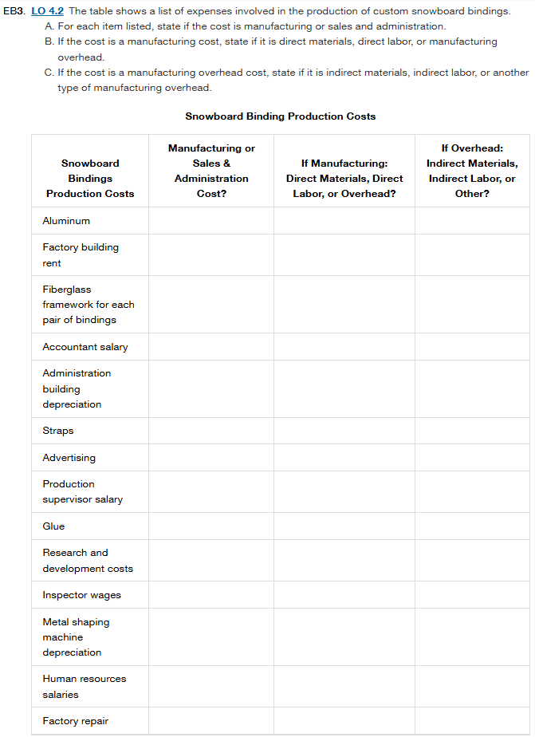
 | Snowboard Bindings Production Costs | Manufacturing or Sales & Administration Cost? | If Manufacturing: Direct Materials, Direct Labor, or Overhead? | If Overhead: Indirect Materials, Indirect Labor, or Other?
 | Aluminum | Manufacturing Cost | Direct Materials | -
 | Factory building rent | Manufacturing Cost | Overhead | Other
 | Fiberglass framework for each pair of bindings | Manufacturing Cost | Direct Materials | -
 | Accountant salary | Sales & Administration Cost | - | -
 | Administration building depreciation | Sales & Administration Cost | - | -
 | Straps | Manufacturing Cost | Direct Materials | -
 | Advertising | Sales & Administration Cost | - | -
 | Production supervisor salary | Manufacturing Cost | Overhead | Indirect Labor
 | Glue | Manufacturing Cost | Overhead | Indirect Materials
 | Research and development costs | Sales & Administration Cost | - | -
 | Inspector wages | Manufacturing Cost | Overhead | Indirect Labor
 | Metal shaping machine depreciation | Manufacturing Cost | Overhead | Other
 | Human resources salaries | Sales & Administration Cost | - | -
 | Factory repair | Manufacturing Cost | Overhead | Other

Manufacturing costs include all costs directly involved in producing the snowboard bindings
Sales and Administration costs are period costs not directly related to production-(accountant salary, administration building depreciation, advertising, R&D, HR salaries)

 | 1. Direct material are the ones that become an integral part of the finished product and can be directly traced to specific units (aluminum, fiberglass framework, straps) | 2. Indirect Materials are materials used in production but not easily traced to specific products (glue) | 3. Indirect Labor is costs that support production but don't directly create the product (production supervisor, inspectors) | 4. Other Overhead the manufacturing costs like facilities, equipment, and maintenance (factory rent, machine depreciation, factory repairs)

